Europe
Opt Nr:- 1 | Date:- 04-11-2025 | DESCRIPTION | TOTAL | COST (EUR) | Length (m) | Width (m) | Height (m) | Qty (Nos) | UNIT / TYPE | COST (EUR)
Client_Exhibitor | LUTEC | FLOORING | 5,445.99
Exhibition Name | Light & Building 2026 | Static Calculation | 0.00
Venue | FRANKFURT | STRUCTURE (Walls) | 5,614.54
Dates | 08. – 13.03.2026 | Hanging with Truss | 0.00
Stand Size |  | Counters/Podiums/Cabinets/Displays | 941.86
Area | 151.5 SQM | Standard Items | 35.00
Stand Height | 4M | Plants / Greenery | 277.48
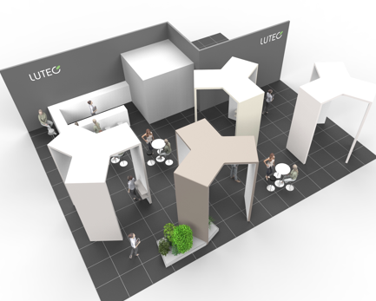
 |  | ELECTRICAL | 740.48
 |  | FURNITURE/Kitchen Itemsem may cost more) | 466.00
 |  | GRAPHICS | 321.48
 |  | AUDIO VISUAL (Rented) | 250.00
 |  | Set-up & Dismantling Manpower Oniste | € 14,440.00
 |  | Transport To Fair ( Montage+Demontage) | € 5,000.00
 |  | Forklift Services ( Montage+Demontage) | € 6,000.00
 |  | Emtry storage at fair | € 1,200.00
 |  | Material Lifts | € 1,000.00
 |  | TOTAL COST (EUR) | € 41,732.83

